Sheet1
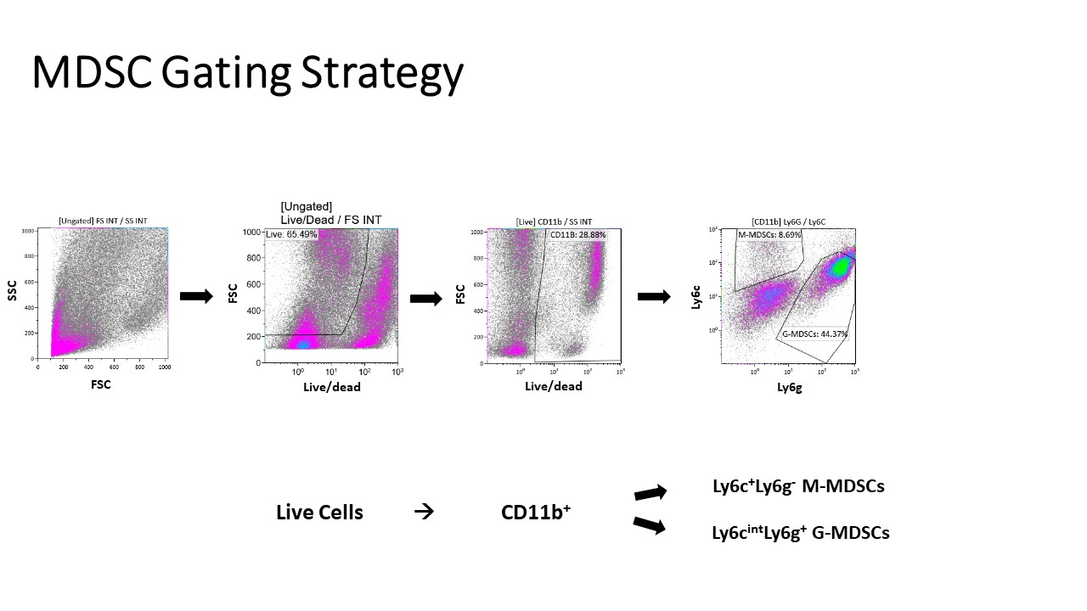
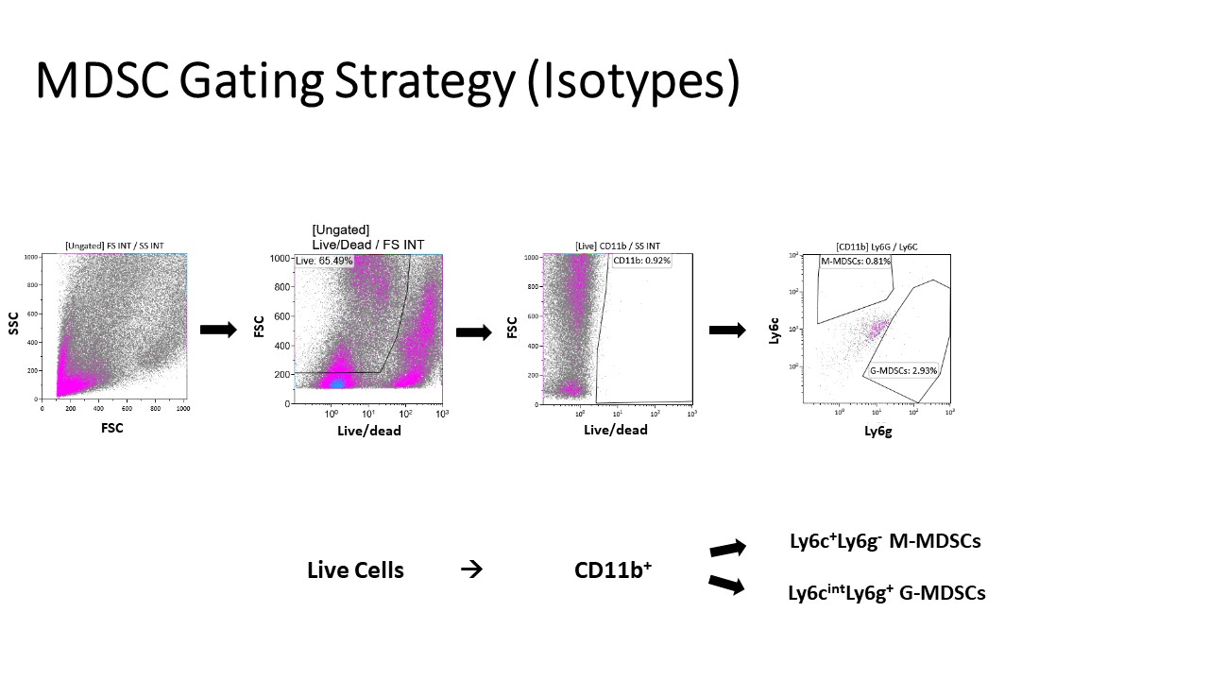
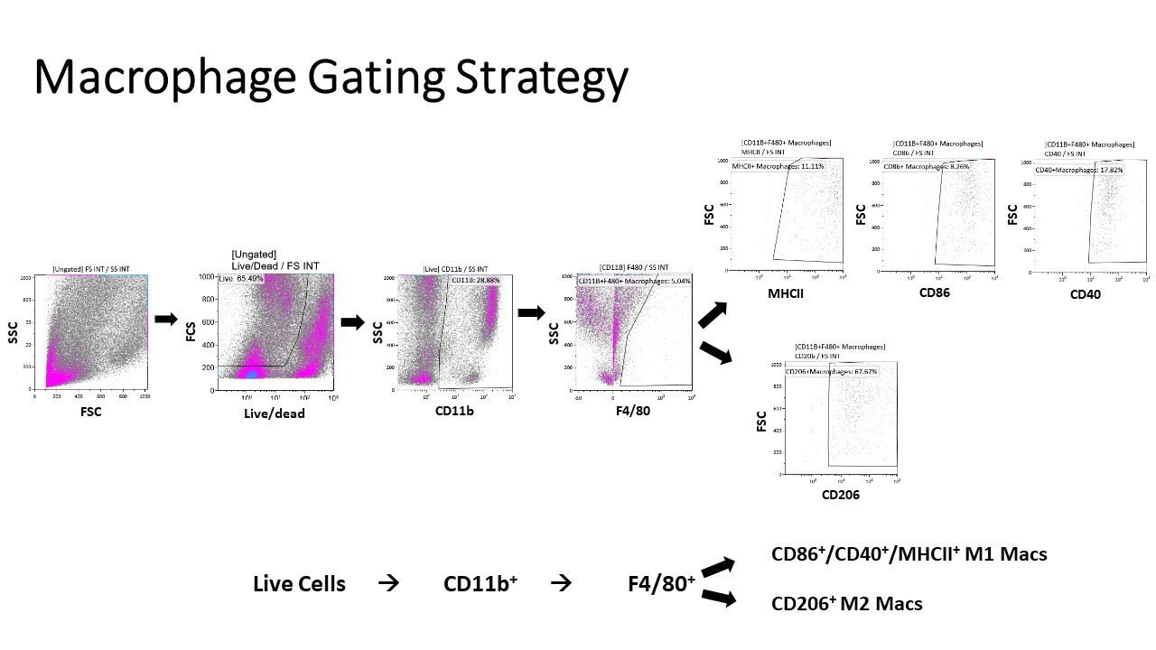
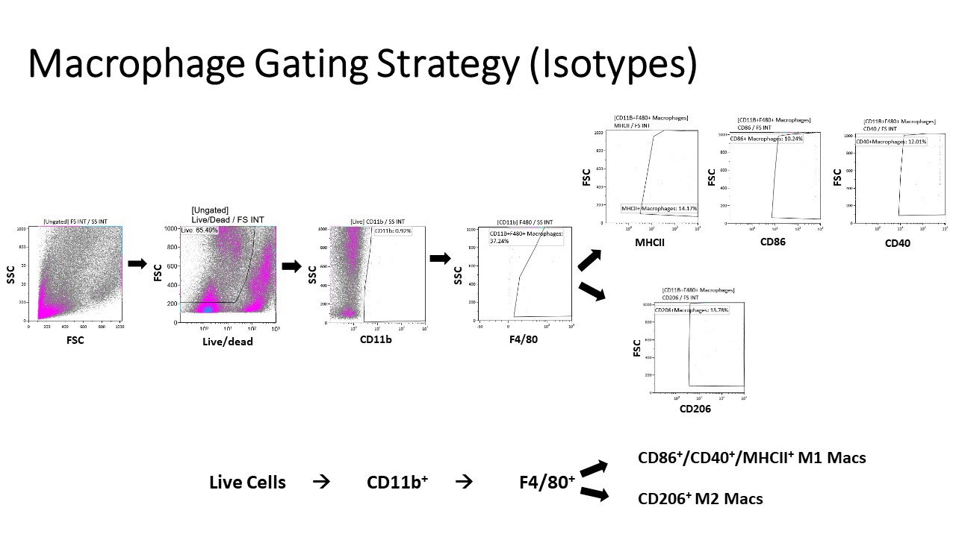
Target | Color (if flow) | Vendor | Catalogue # | Clone
CD11b | AF700 | ThermoFisher | 56-0112-82 | M1/70
CFSE | AF488 | ThermoFisher | C34554 | N/A
F480 | PECy7 | ThermoFisher | 25-4801-82 | BM8
Granzyme B | PECy7 | ThermoFisher | 25-8898-82 | NGZB
Live/Dead | Near IR | ThermoFisher | L10119 | N/A
Ly6C | PerCPCy5.5 | Biolegend | 128012 | HK1.4
Ly6C | eFluor450 | ThermoFisher | 48-5932-82 | HK1.4
Ly6G | V450 | BD Bioscience | 560603 | 1A8
Ly6G | FITC | Biolegend | 127605 | 1A8
CD86 | PE | BD Bioscience | 561963 | GL1
CD40 | PE-Dazzle | Biolegend | 124630 | 3/23
CD206 | PE/Cy7 | Biolegend | 141719 | C068C2
MHCII | FITC | BD Bioscience | 553623 | 2G9
Phospho-Stat3 | NA | Cell Signalling (Tyr705) | 9145 | D3A7
Stat3 | NA | Cell Signalling (D3Z2G) | 12640 | D3Z2G
Phospho-NF-kB p65 | NA | Cell Signalling (Ser536) | 3033 | 93H1
NF-kB p65 | NA | Cell Signalling | 8242 | D14E12
Beta Actin Polyclonal Antibody | NA | Invitrogen | PA1-183 | Invitrogen

Gating Strategies:
M-MDSC | Live/CD11b+/Ly6C+/Ly6G-
G-MDSC | Live/CD11b+/Ly6C intermediate/ Ly6G+
M1-like macrophages | Live/CD11b+/ F480+/ CD86+ or Live/ CD11b+/ F480+/ CD40+ or Live/ CD11b+/ F480+/ MHCII+
M2-like macrophages | Live/CD11b+/ F480+/ CD206+

Calculations of ratios:
M-MDSC/G-MDSC | (Live/CD11b+/Ly6C+/Ly6G-) / (Live/CD11b+Ly6C intermediate/ Ly6G+)
M1/M2 | [(Live/CD11b+/ F480+/ CD86+) + (Live/ CD11b+/ F480+/ CD40+) + (Live/ CD11b+/ F480+/ MHCII+) / 3] / (Live/CD11b+/ F480+/ CD206+)

Representative dot plots for gating:

